Dala Sales & Deliveries
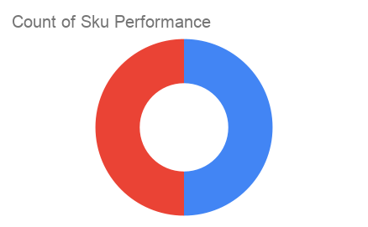
 |  |  |  |  |  | Total Invoices Delivered | 7.00 | Sku Performance | Units | Value
 |  |  |  |  |  | Unique Locations Supplied | 7.00 | 250g Dates powder (6x) | 4.50 | 54,000.00
 |  |  |  |  |  | Total Value of orders | 82,800.00 | 80g Kuli Kuli (12x) | 4.00 | 28,800.00
 |  |  |  |  |  |  |  |  | 0.00 | 0.00
 |  |  |  |  |  |  |  |  | 0.00 | 0.00
 |  |  |  |  |  |  |  |  | 0.00 | 0.00
 |  |  |  |  |  |  |  |  | 0.00 | 0.00
 |  |  |  |  |  |  |  |  | 0.00 | 0.00
 |  |  |  |  |  |  |  |  | 0.00 | 0.00
 |  |  |  |  |  |  |  |  | 0.00 | 0.00
 |  |  |  |  |  |  |  |  | 0.00 | 0.00
 |  |  |  |  |  |  |  |  | 0.00 | 0.00
 |  |  |  |  |  |  |  |  | 0.00 | 0.00
Column 2 | Column 5 | Column 3 | Column 1 | Column 6 | Column 7

